Sheet1
 |  | Document No. | Issue No. | Issue Date |  | Review and Replace Date |  | Authorised By
 |  | GFF042MC | 1 | 2022-04-08 |  | New issue
 |  | Document Title | GC -20 Vegetable Samosa Large 2000g - High Risk
 |  |  |  |  |  |  |  | Magda Shah
Document amendments reason for change |  | New Issue | Page 1 of 1 |  | Previous Issue Date |  | New issue | Uncontrolled copy unless signed original

CVSAL-B20T | Gazebo |  | GC-20 Vegetable Samosa Large 2000g
STEP 1 |  |  |  |  | STEP 2
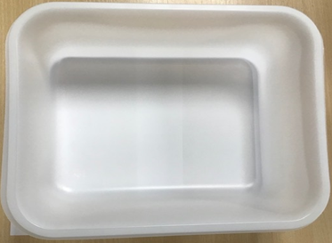 |  |  |  |  | 

Tray:HW320/115 - Translucent - 554 (PKPRO001-13) |  |  |  |  | Vegetable Samosa Large (GFF003R): 100g 20 Pieces (2000g)
Film: S340AF(PE)340mm X 510m AF Weld PE (PKPRO001-17)
STEP 3
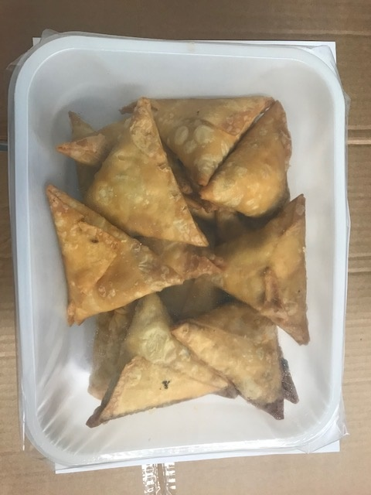

TOTAL WEIGHT: 2000g

ALLERGY ALERT: WHEAT

